Features Analysis
Phase: | Next

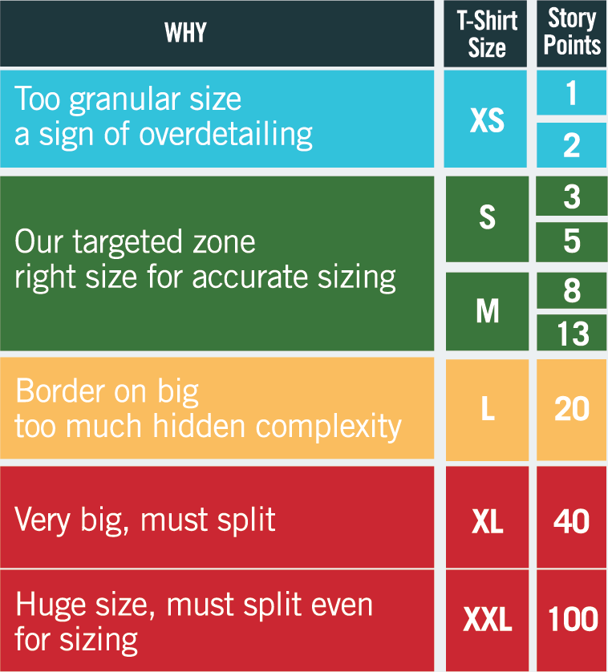
Features analysis by Size |  |  |  |  |  | Features analysis by Uncertainty |  |  |  |  | Features analysis by Complexity
Row Labels | %tage | Number of Uss | Best Case (SP) | Most Likely (SP) | Worst Case (SP) | Row Labels | %tage | Best Case (SP) | Most Likely (SP) | Worst Case (SP) | Row Labels | %tage | Best Case (SP) | Most Likely (SP) | Worst Case (SP)
XS | 0.0% | 0 | 0.0 | 0.0 | 0.0 | Low | 24.5% | 12.8 | 13.0 | 13.3 | Low | 15.1% | 8.0 | 8.0 | 8.0
S | 9.4% | 1 | 4.8 | 5.0 | 5.3 | Medium | 0.0% | 0.0 | 0.0 | 0.0 | Medium | 9.4% | 4.8 | 5.0 | 5.3
M | 15.1% | 1 | 8.0 | 8.0 | 8.0 | High | 75.5% | 8.0 | 40.0 | 72.0 | High | 75.5% | 8.0 | 40.0 | 72.0
L | 0.0% | 0 | 0.0 | 0.0 | 0.0 | Total | 100.00% | 20.8 | 53.0 | 85.3 | Total | 100.00% | 20.8 | 53.0 | 85.3
XL | 75.5% | 1 | 8.0 | 40.0 | 72.0
XXL | 0.0% | 0 | 0.0 | 0.0 | 0.0
Total | 100.00% | 3 | 20.8 | 53.0 | 85.3

Size
Business Uncertainty
Technical Complexity

Cone of Uncertainty
 | Best Case |  | Most Likely |  | Worst Case |  | Threashold
0.00 | 0.00 | 0.00 | 0.00 | 0.00 | 0.00 | 0.00 | 10.00
44.00 | 10.00 | 47.00 | 10.00 | 50.00 | 10.00 | 28.00 | 10.00
 | Project timeline | No of Sprints in Build Phase | Total no of Sprint including (setup, UAT ..) | Y
 | Best Case | 0.00 | 0.00 | 0.00
 |  | 24.00 | 44.00 | 10.00
 | Most Likely | 0.00 | 0.00 | 0.00
 |  | 27.00 | 47.00 | 10.00
 |  | 30.00 | 50.00 | 10.00
 | Threshold | 0 | 0 | 10.00
 |  | 27.00 | 28.00 | 10.00

Build | Average Velocity(SP) per Sprint | 20
Operate | Number of sprints for Operate (handover, releases, UAT, SIT, application support, etc.) | 10
Technical Items | 1. Environment setup for teams (install tools, access to cloud services etc.) 2. Create all environments needed by the engagement: dev, system test, pre-prod, production. 3. Create a delivery pipeline. 4. NFRs 5. Security testing | 10

 | Visual Parameters
 | Cone Size | 6
 | Threshold | 10
 | Length of threshold | 20

